fall days to germ chart
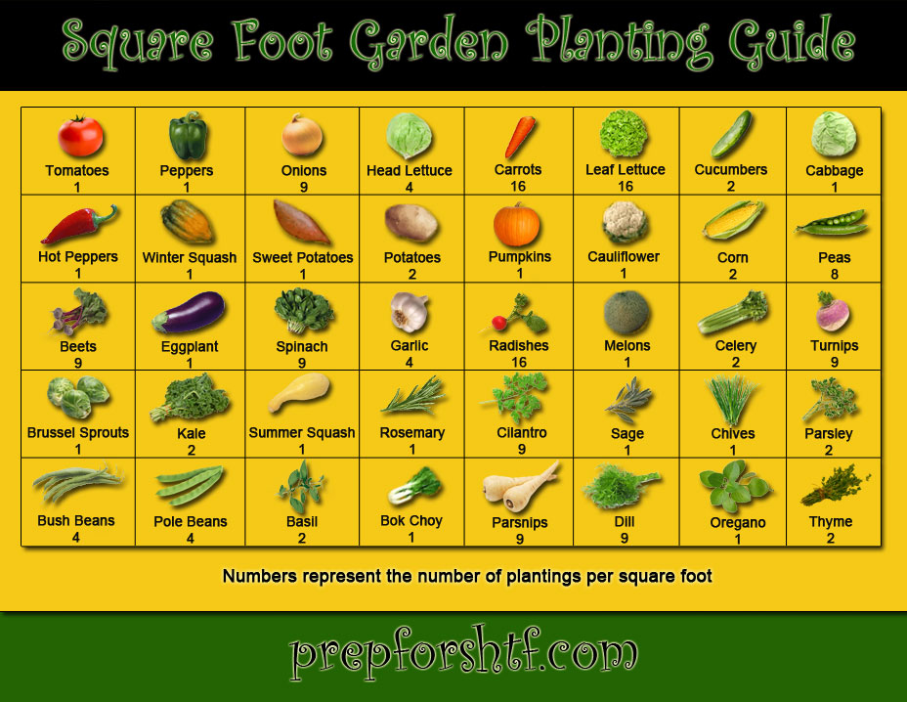
Fall Planting guide for the Monterey Bay Area

Vegies | Sow in ground | Start indoors | days to germination | approximate days to harvest/Maturity | Months to start from seed | Spacing
Arugula | x |  | 7 to 14 | 40 | Sept - May | Thin to 2 "
Beets | x |  | 7 to 10 | 55 | Aug - Sept | Thin to 3"
Bok choi family | x | x | 7 to 10 | 45 | Aug - Oct | 10"
Broccoli |  | x | 7 to 10 | 63 | July - Aug | 14"
Brussels sprouts |  | x | 7 to 10 | 95 | July - Aug | 16"
Cabbage |  | x | 7 to 10 | 65 | July - Aug | 16"
Carrots | x |  | 10 to 20 | 70 | July - Aug | Thin to 2"
Cauliflower |  | x | 7 to 10 | 60 | July - Aug | 16"
Chard | x | x | 7 to 10 | 50 | Feb - Sept | 8"
Collards |  | x | 7 to 10 | 55 | Aug - Sept | 14"
Endive | x | x | 7 to 14 | 80 | Aug - Sept | 16"
Fennel, bulbing |  | x | 14 to 21 | 90 | July - Aug | 8"
Kale | x | x | 7 to 10 | 25 | Aug - Sept | 16"
Leek | x | x | 14 to 21 | 110 | July - Aug | 4"
Lettuce, leaf | x | x | 7 to 14 | 50 | Sept - Apr | 4"
Lettuce, head | x | x | 7 to 14 | 55 | Sept - Apr | 10"
Mache | x |  | 14 to 28 | 90 | Sept - Feb | thin to 3"
Mustard | x | x | 7 to 14 | 38 | Feb - Sept | 7"
Onion | x | x | 7 to 10 | 95 | Sept - Oct | 3"
Peas | x | x | 7 to 10 | 60 | July - Aug | 3"
Radishes | x |  | 5 to 7 | 28 | Apr-May | 2"
Scallions / green onion | x | x | 10 to 20 | 65 | Aug - Sept | thin to 2"
Spinach | x | x | 5 to 10 | 39 | Aug - Sept | 5"
Turnips | x |  | 7 to 9 | 45 | Aug - May | 5"
Herbs | Sow in ground | Start indoors | days to germination | Planting depth | Months to start from seed
Chervil |  | x | 10 to 14 | 1/4" | Sept - Oct
Cilantro | x | x | 10 to 20 | 1/2" | Sept
Parsley |  | x | 18 to 21 | 1/4" | Aug-Oct
Watercress | x | x | 7 to 10 | don't cover | Aug - Sept

Cover crop | Sow in ground | Start indoors | days to germination | application rate | Months to start seed
Fava beans | x |  | 5 to 10 | 1/2# per 100 sq' | Oct-Nov
Bell beans | x |  | 5 to 10 | 1/2# per 100 sq' | Oct-Nov
Hairy Vetch | x |  | 5 to 10 | 1# per 100 sq' | Oct-Nov
Winter rye | x |  | 7 to 10 | 1/2# per 100 sq' | Oct-Nov
Mustard | x |  | 5 to 10 | 1 oz. per 100 sq' | Oct-Nov

Tubers & Roots
Garlic | x |  |  |  | Nov

Resource links
Fall Gardening class preso | http://mbmg.ucanr.edu/Read_An_Article/Class_Handouts/
Organic Materials Exchange | http://www.omexchange.org/listings
Amendment Calculator | http://www.harvestpower.com/products/landscape-calculator/
Lasagna Garden How-to | https://www.thespruce.com/how-to-make-a-lasagna-garden-2539877
Straw bale How-to | https://modernfarmer.com/2013/07/straw-bale-gardening/
Double digging video | https://www.youtube.com/watch?v=tNiuWCp9QpY
USDA Zone Map | http://planthardiness.ars.usda.gov/PHZMWeb/
How to set a gophinator | https://youtu.be/aqMzKAty5Lw
IPM Website | http://ipm.ucanr.edu/
Square foot spacing guide | https://gardentherapy.ca/wp-content/uploads/2013/04/Square-Foot-Planting-Guide.jpg
Master Gardener Hotline | http://mbmg.ucanr.edu/hotline/

