Process Overview
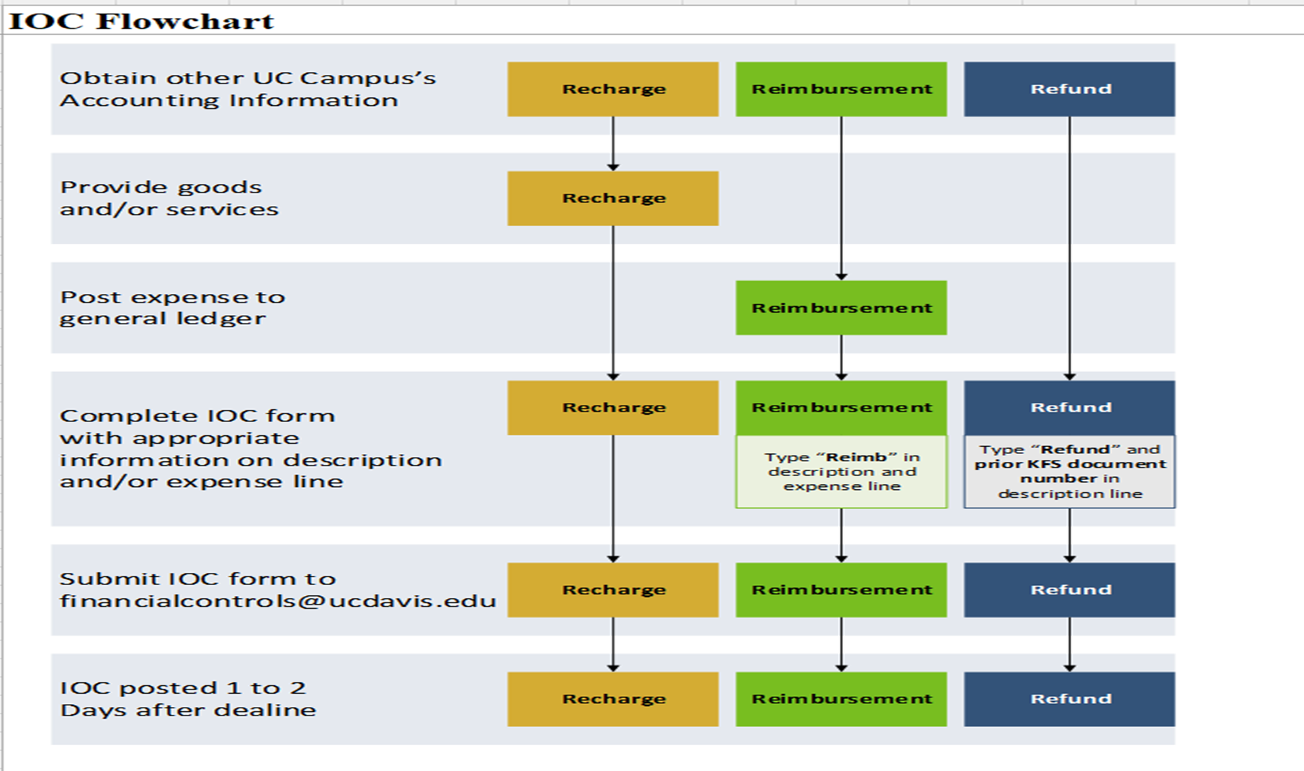

FinancialControl@ucanr.edu

