Contact Info&Resources
 | FFY 24-26 Impact Outcome Evaluation Planning Worksheet

INSTRUCTIONS: The Planning Worksheet in intended to collect all intervention and evaluation information, and should be updated twice per year: Pre-implementation update: Complete tabs Contact Info & Resources and Intervention & Evaluation, along with pre-test dates (PrePost Dates & Survey Links) and then return to amlinares@ucanr.edu before you begin your evaluation. Upon receipt, you will receive your pre/post survey links, added to the PrePost Dates & Survey Links tab. Post-implementation update: Update any previously submitted information that may have changed, add post-test dates and survey opts outs to the PrePost Dates & Survey Links tab. Return after evaluation is complete and no later than June 30th.

Local Health Department:
Subcontractor(s):
Fiscal Year:
Funding Tier:

IOE Project Contacts | Email
IOE Lead:
IOE Contact:
IOE Contact:
IOE Contact:
IOE Contact:

IOE Resources:
Subscribe to the listserv
Bookmark the IOE Website
Attend Quarterly Calls (Oct, Jan, Apr, Summer)
Reach out to Amanda Linares for technical assistance
-Identify classrooms
-Train Evaluators
-Complete Planning Worksheet
-Turn in Planning Worksheet
-Pre-test students
-Begin intervention
-Engage school(s) for next FY
-Plan intervention
-Conduct intervention
Project Timeline:

Jan Feb Mar Apr May Jun Jul Aug Sep Oct Nov Dec

-Conduct intervention
-Post-test students
-Update Planning Worksheet
-Turn in Planning Worksheet and all surveys by June 30th

Intervention&Evaluation
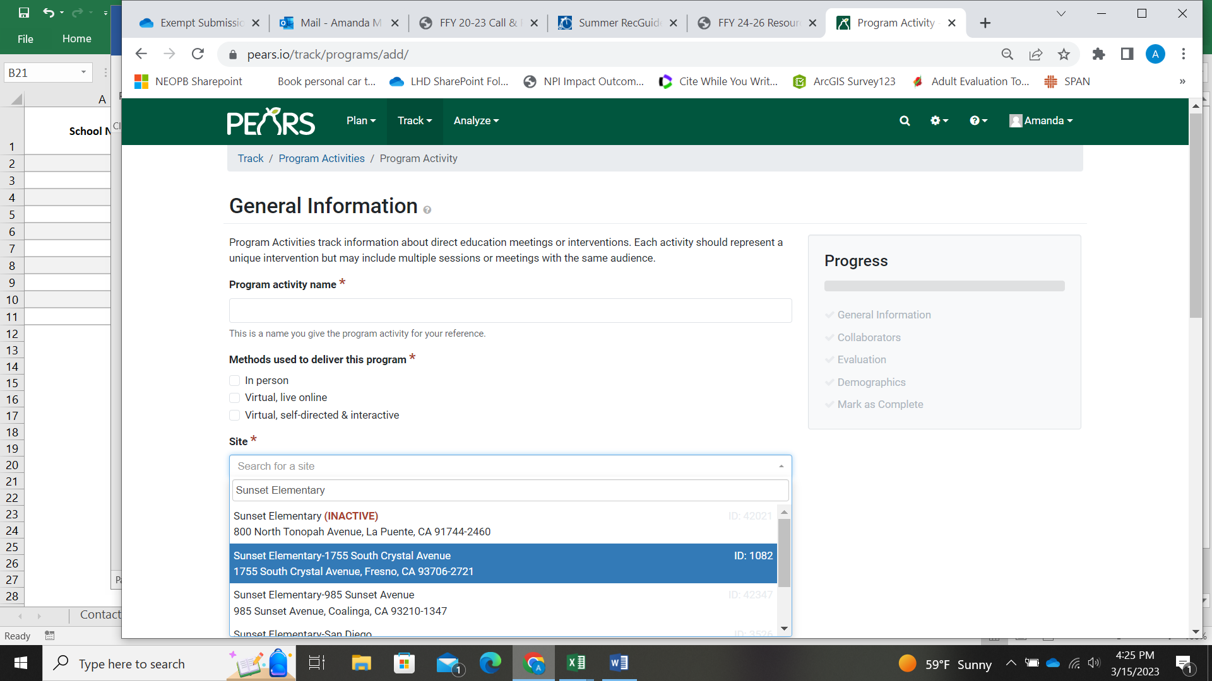
School Name | PEARS Site ID† | Grade(s) Surveyed | School or After school | Sample Size | DE (# sessions) | IE | PSE (site) | PSE (district) | PEARS PSE Site Activity ID (district-level)†
 |  |  |  | School: 2 classrooms of students per school OR After school: All students (4th+) per after school site

† PEARS Site ID can be found next to the site name when selecting Site under any of the modules listed under Track (first screen shot below).
PEARS PSE Site Activity ID can be found by going to Track -> PSE Site Activities, then selecting the correct Activity and clicking on General Information (second screen show below).

